New Business 2025
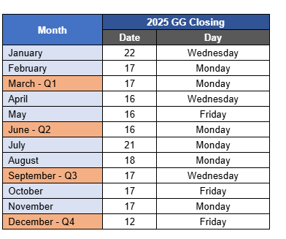
Middle Market Underwriter | MMPS Underwriter | Eff Date | Account Name | Broker | Broker State | Book Month | Incumbent Carrier | Quote Due Date | Target Property Premium | Target Total Premium | Simple Status | If Declined, why | Do we expect to bind? | Comments/Notes | Recapture?
Michelle | Steven | 2025-07-01 | Incredible Pizza | USI | Indiana | July | CNA |  |  |  | Quoted | Non Target Risk | Yes
 |  |  |  |  |  |  |  |  |  |  |  |  | Unsure
 |  |  |  |  |  |  |  |  |  |  |  |  | No

